Sheet1
 |  | Document No. | Issue No. | Issue Date |  | Review and Replace Date |  | Authorised By
 |  | GFF105MC | 5 | 10.06.2019 |  | 08.03.2024
 |  | Document Title | 4 ONION BHAJI 160G
 |  | Page | 1 of 1 |  | Previous Issue Date |  | 27.10.2022 | Magda Shah
Document amendments reason for change |  | Tray Changed |  |  |  |  |  | Uncontrolled copy unless signed original

COBH3C-1R6TSP | SPAR |  | 4 ONION BHAJI 160G | CHILLED

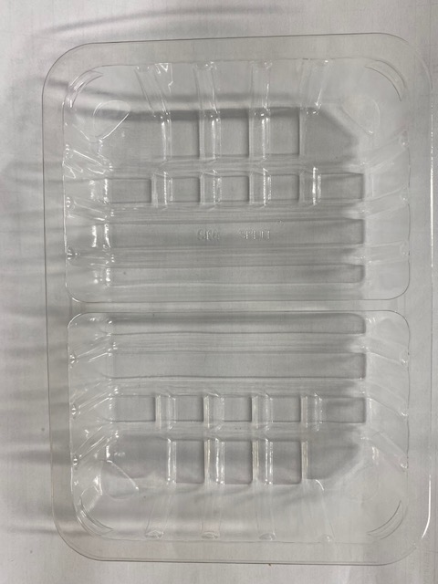 |  |  |  |  | 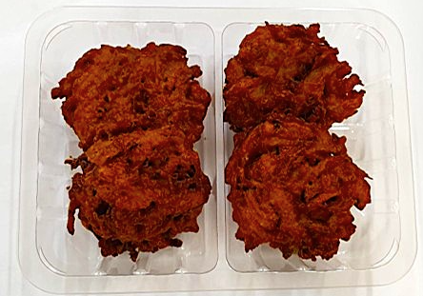

Tray: SK4 Split Clear (PKESS001-06) |  |  |  |  | 4 x Onion Bhaji (GFF121R) 40g
Film: K-peel 7G+25A/f-275mm (PKKMP001-03) |  |  |  |  | Total Weight : 160g
ALLERGY ALERT: NONE

